Sheet26
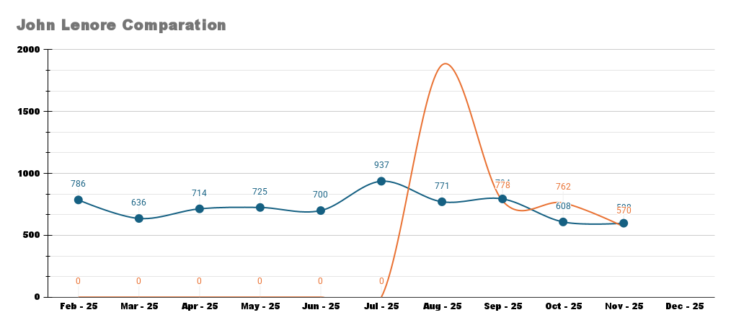
Monthly Sales
2025-01-25 | 2025-02-25 | 2025-03-25 | 2025-04-25 | 2025-05-25 | 2025-06-25 | 2025-07-25 | 2025-08-25 | 2025-09-25 | 2025-10-25 | 2025-11-25 | 2025-12-25
573 | 786 | 636 | 714 | 725 | 700 | 937 | 771 | 794 | 608 | 598
0 | 0 | 0 | 0 | 0 | 0 | 0 | 1876 | 778 | 762 | 570

SD Zones
ZONE 1 | 92118 | 91910 | ZONE 2 | 92132 |  | ZONE 3 | 92104 |  |  |  |  | ZONE 5
CHULA VISTA | 91932 | 91920 | SOUTH PARK | 92101 |  | NORTH PARK | 92105 |  |  |  |  | CLAIREMONT | 92117
BONITA | 92154 | 91902 | DOWNTOWN | 92198 |  | CITY HEIGHTS | 92116 |  |  |  |  | BAY PARK | 92110
IMPERIAL BEACH | 91911 | 91950 | LITTLE ITALY | 92134 |  | UNIVERSITY HEIGHTS |  |  |  |  |  | KEARNY MESA | 92111
CORONADO | 92173 | 92118 |  | 92103 |  | NORMAL HEIGHTS |  |  |  |  |  | MORENA | 92906
NATIONAL CITY | 91915 | 92179 |  |  |  | HILLCREST |  |  |  |  |  | MISSION VALLEY | 92108
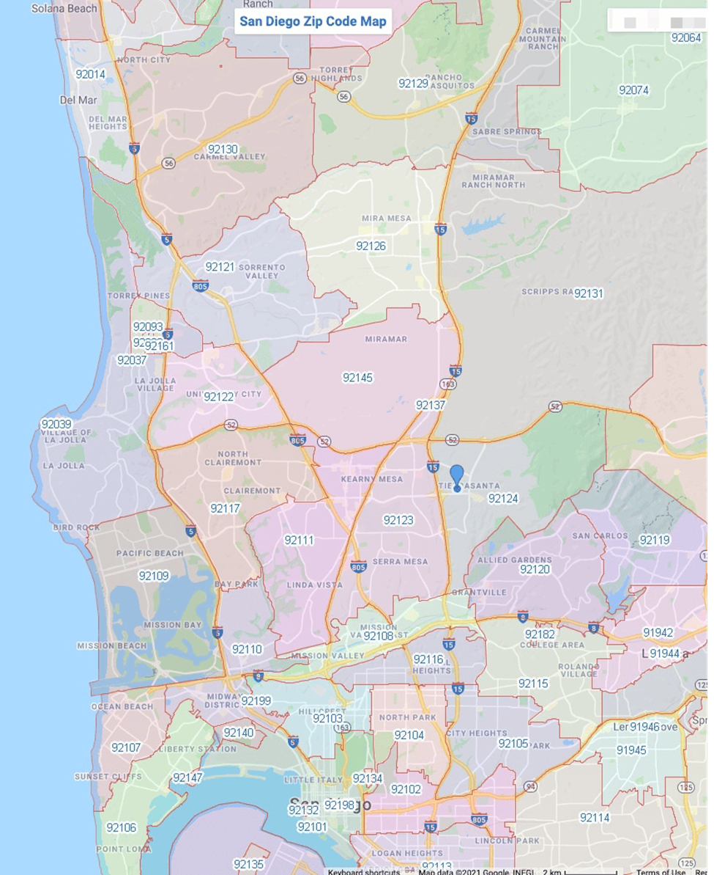
 |  | 91914 |  |  |  | Bankens Hill
 |  | 91913 |  |  |  | Kensigton
 |  |  | ZONE 7 | 92120 |  |  |  |  | ZONE 9 | 92007 |  | ZONE 10
 |  |  | EL CAJON | 92119 |  |  |  |  | ENCINITAS | 92024 |  | CARLSBAD | 92008 | 92011
 |  |  | SANTEE/LAKE SIDE | 92182 |  |  |  |  | CARDIFF | 92091 |  | OCEANSIDE | 92054 | 92058
 |  |  | LA MESA | 92115 |  |  |  |  |  | 92029 |  | VISTA | 92081 | 92083
 |  |  | SPRING VALLEY | 91942 |  |  |  |  |  | 92009 |  |  |  | 92084
 |  |  | DEL CERRO | 91944
 |  |  | Lake Side
ZONE 11 | 92145 | 92127 | ZONE 12 | 92025 | 92027
MIRA MESA | 92121 | 92064 | TEMECULA | 92069 | 92059
POWAY | 92126 |  | MURRIETA | 92003
RANCHO BERNARDO | 92131 |  | FALLBROOK | 92028
SORRENTO VALLEY | 92129 |  | ESCONDIDO | 92026
 | 92128 |  | SAN MARCOS | 92082

 |  |  |  |  |  |  |  | OLDTOWN | 92106

ZONE 1 |  | ZONE 2 |  | ZONE 3 |  | ZONE 4 | 92130 | ZONE 5 |  | ZONE 6 |  | ZONE 7
POINT LOMA | 92106 | PACIFIC BEACH | 92109 | La Jolla | 92039 | DELMAR | 92014 | ENCINITAS | 92024 | CARLSBAD | 92008 | OCEANSIDE | 92054
OCEAN BEACH | 92107 | MISSION BEACH | 92109 |  | 92037 | CARMEL VALLEY | 92067 |  |  |  | 92011
Liberty Station | 92147 |  | 92169 |  | 92093 | RANCHO SANTA FE | 92014 |  |  |  | 92009
 |  |  | 98571 |  | 92161 | SOLANA BEACH | 92075
 |  |  |  |  |  | Cardiff | 92007

ZONE 8 |  |  | ZONE 9 |  |  | ZONE 10
DOWNTOWN | 92101 |  | HILLCREST | 92103 |  | GOLDEN HILLS | 92102
 |  |  | CITY HEIGHTS | 92116 |  | NORTH PARK | 92104 | 92116
 |  |  | NORMAL HEIGHTS
 |  |  | KENSINGTON

ZONE 13
CHULA VISTA

